Template Filler
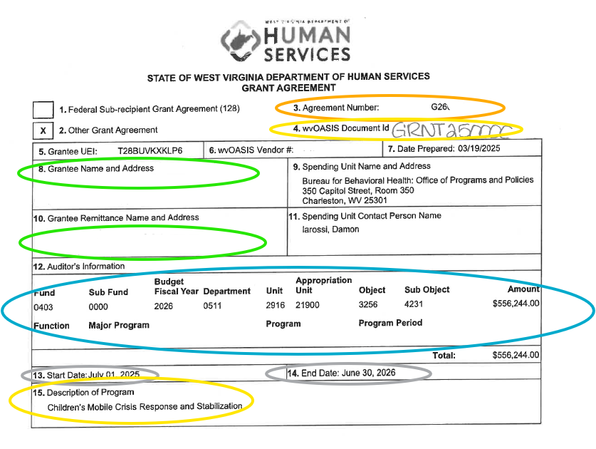
Please complete this sheet using the 200 form from your grant agreement to autopopulate all other forms. Only the yellow highlighted cells will need to be completed on the remaining documents.

GRANT #: |  | 200 Form Number 3
wvOASIS DOC Id#: |  | 200 Form Number 4
GRANTEE NAME: |  | 200 Form Number 8
REMITTANCE ADDRESS: | Street | 200 Form Number 10
 | City, State, Zip
ACCOUNT NUMBER FUND: |  |  | 200 Form Number 12 List out each funding line
SUB FUND:
BUDGET FISCAL YEAR:
DEPARTMENT:
UNIT:
APPROPRIATION UNIT:
OBJECT:
SUB OBJECT:
FUNCTION:
MAJOR PROGRAM:
PROGRAM:
PROGRAM PERIOD:
ALLOCATION AMOUNT: |  |  | 200 Form Number 12 Total Line from each funding line
GRANT START DATE: |  | 200 Form Number 13
GRANT END DATE: |  | 200 Form Number 14
PROGRAM NAME: |  | 200 Form Number 15
Needs to be from grantee records
EMPLOYER IDENTIFICATION NUMBER:
PHONE NUMBER:

